1. Title Page
[Instacart Grocery Basket Analysis ]

Project Name: Instacart Grocery Basket Analysis
Date: March 2023
Analyst Name: Nguyen Long Vu

Contents:
Population Flow
Consistency checks
Wrangling steps
Column derivations
Visualizations
Recommendations

Data Source
Data Dictionary

Reference: “The Instacart Online Grocery Shopping Dataset 2017”, Accessed from https://www.instacart.com/datasets/grocery-shopping-2017 on [2023].

2. Population Flow
Title page

Population flow

Exclusion flag
Condition: max_order <5
Obervations to be removed: 1.440.295
Final total count of order_products_all: 30.964.564

Orders_products_combined
Orders_products_merged
Orders_products_all

Total: 32.404.859
Total: 32.434.489
Total: 30.964.564

1.) The grey boxes in the first row of the population flow represent the original data sets as they were when you downloaded them. In the Total fields you need to add the count of the rows when you imported the data set into Jupyter.
2.) The second row of boxes (coloured) represents the data sets after you manipulated them, e.g., removed missing values and duplicates. In the Total fields you need to add the count of the rows after conducting these operations. This offers a visual oveview of how the data flows throughout the data consistency checks.
3.) The third row, where also the arrows are coloured, represents the merges you performed between the datasets. In the Total fields you need to add the count of the rows in the merged datasets, so that you end up with the final dataset (in the red box). Keep in mind the final dataset should be without exclusions (based on the exclusion flag).

3. Consistency checks
 |  |  |  | Title page
Consistency checks

Dataset | Missing values | Missing values treatment | Duplicates
orders | 206209 (from days_since_prior_order) | Left in the data set as they indicated new customers | -
products | 16 (from 'product_name') | Removed from data set | 5 duplicate rows
orders_products_prior | - | - | -
customers | - | - | -

4. Wrangling steps
 |  |  |  | Title page
Wrangling steps

Columns dropped | Columns renamed | Columns' type changed | Comment/Reason
eval_set |  |  | Not relevant to the analysis
 |  | order_id | Changed from int64 to string/object
 | order_dow |  | Renamed to order_day_of_week
 |  | user_id | Changed from int64 to string/object
First name |  |  | for data privacy reasons
Surnam |  |  | for data privacy reasons
 | Gender |  | changed to gender
 | STATE |  | changed to state
 | Age |  | changed to age
 | n_dependants |  | changed to number_dependats
 | fam_status |  | changed to family_status

5. Column derivations
 |  |  |  | Title page

Column derivations and aggregations

Dataset | New column | Column/s it was derived from | Conditions
orders_products_merged_updated.pkl | busiest_day | order_day_of_week | if value = 0; then 'Busiest day' if value = 4; then 'Least busy' else is 'Regular busy'
 | busiest_days | order_day_of_week | if value = 0,1; then 'Busiest days' if value = 3,4; then 'Slowest days' else is 'Regular busy'
 | busiest_period_of_day | order_hour_of_day | if value in [10, 11, 14, 15, 13, 12] = 'Most orders' if value in [0, 1, 5, 2, 4, 3] = 'Fewest orders' else is 'Average orders'
 | price_range_loc | prices | ['prices'] <= 5 = 'Low-range product' ['prices'] <= 15 & ['prices'] > 5 = 'Mid-range product' ['prices'] > 15 = 'High-range product'
orders_products_merged_aggregated.pkl | loyalty_flag | max_order | ['max_order'] > 40 = 'Loyal customer' ['max_order'] <= 40 & ['max_order'] > 10 = 'Regular customer' ['max_order'] <= 10 = 'New customer'
 | spending_flag | avg_price | ['avg_price'] >= 10 = 'High spender' ['avg_price'] < 10 = 'Low spender'
 | order_freq_flag | median_freq | ['median_freq'] > 20 = 'Non-frequent customer' ['median_freq'] > 10 & ['median_freq'] <= 20 = 'Regular customer' ['median_freq'] <= 10 = 'Frequent customer'
orders_products_all.pkl | region | state | 'Northeast' : 'Maine', 'New Hampshire', 'Vermont', 'Massachusetts', 'Rhode Island', 'Connecticut', 'New York', 'Pennsylvania', 'New Jersey 'Midwest' : 'Wisconsin', 'Michigan', 'Illinois', 'Indiana', 'Ohio', 'North Dakota', 'South Dakota', 'Nebraska', 'Kansas', 'Minnesota', 'Iowa', 'Missouri' 'South' : 'Delaware', 'Maryland', 'District of Columbia', 'Virginia', 'West Virginia', 'North Carolina', 'South Carolina', 'Georgia', 'Florida', 'Kentucky', 'Tennessee', 'Mississippi', 'Alabama', 'Oklahoma', 'Texas', 'Arkansas', 'Louisiana' 'West' : 'Idaho', 'Montana', 'Wyoming', 'Nevada', 'Utah', 'Colorado', 'Arizona', 'New Mexico', 'Alaska', 'Washington', 'Oregon', 'California', 'Hawaii'
 | activity_flag | max_order | <5 : 'Low activity' >=5 : 'High activity'
 | age_category | age | ['age'] >= 18 & ['age'] < 34 = 'Young Adult' ['age'] >= 34 & ['age'] < 65 = 'Middle Aged' ['age'] >= 65 == 'Senior'
 | income_category | income | ['income'] <= 67292 ='Low Income' ['income'] > 67292 & ['income'] <= 128102 = 'Middle Income' ['income'] > 128102 = 'High Income'
 | profile | age, income, number_dependants, family_status, department_id, age_category, income_category

6. Visualizations
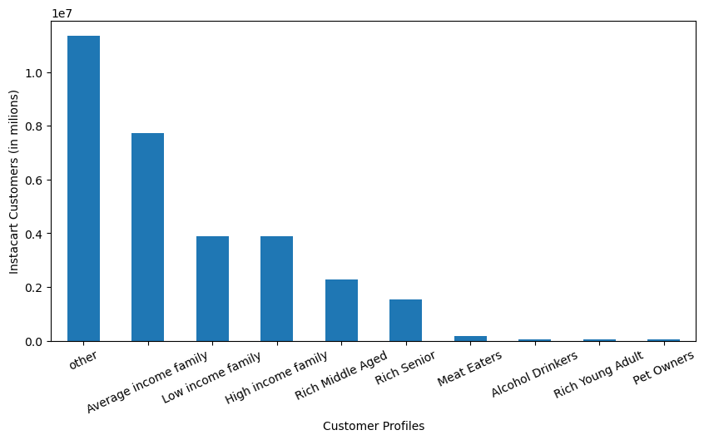
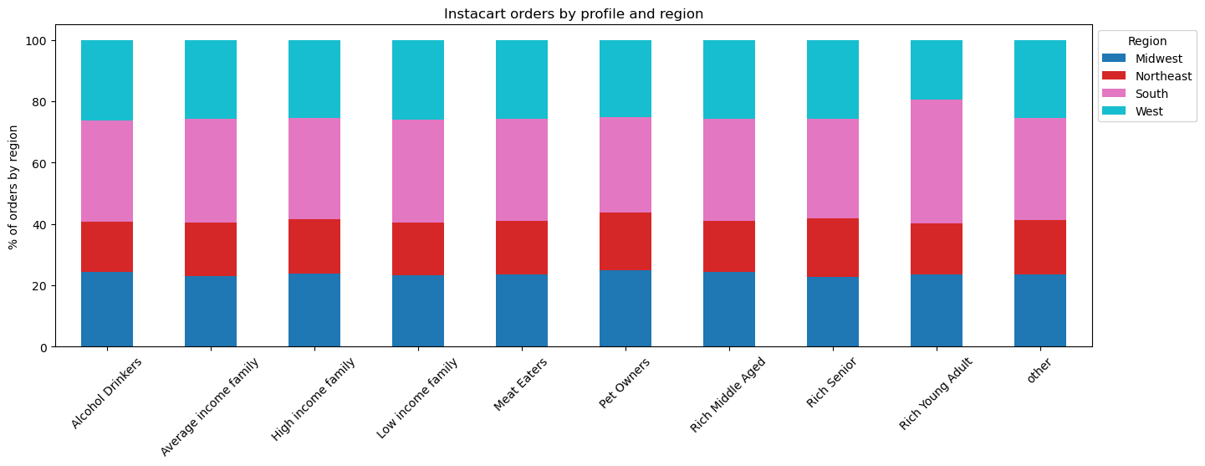
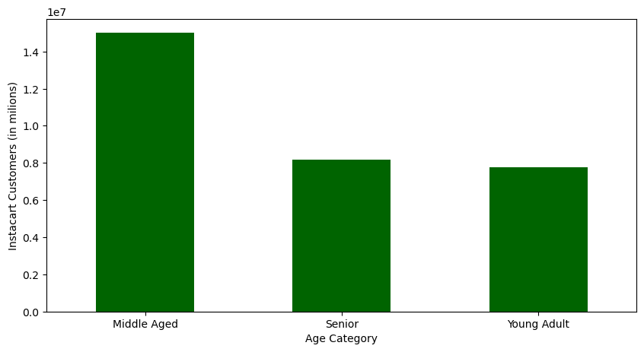
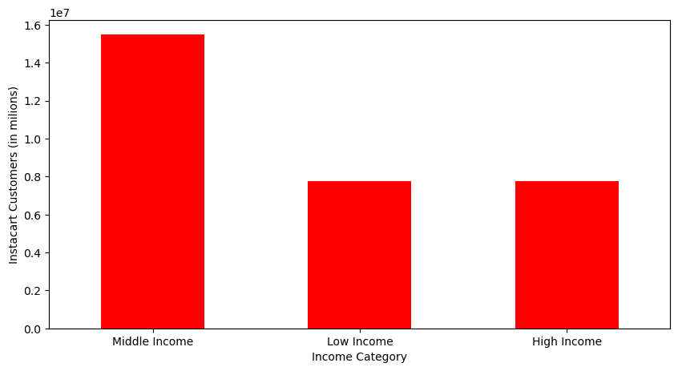
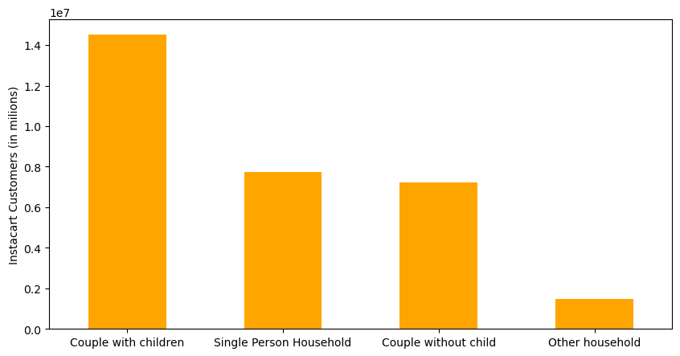
 |  | Title page

Visualisations

In this tab you should include all the visualtions from Exercises 4.9 and 4.10, alongide the questions from the project brief that they answer. Include any commentary on the relationship between different variables.

Question 1 The sales team needs to know what the busiest days of the week and hours of the day are (i.e., the days and times with the most orders) in order to schedule ads at times when there are fewer orders.

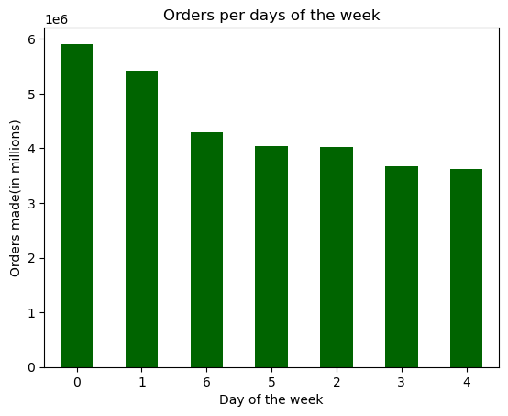
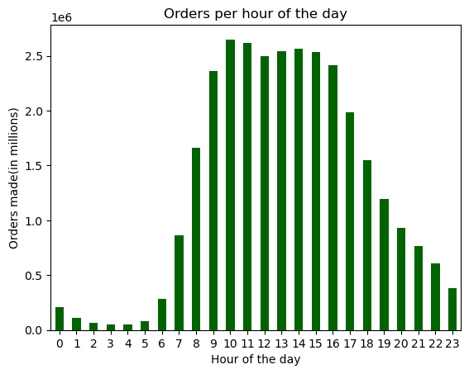
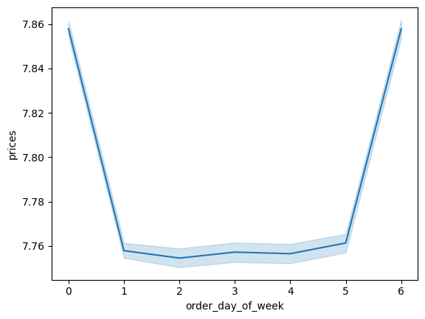

 | Busiest days of the week are Saturday and Sunday. Other days have around the same level of traffic with Wednesday being least busy.
 | In terms of time of the day, the busiest period is between 9am to 16pm with peak period around 10am to 11am.

Question 2 Are there are particular times of the day when people spend the most money?

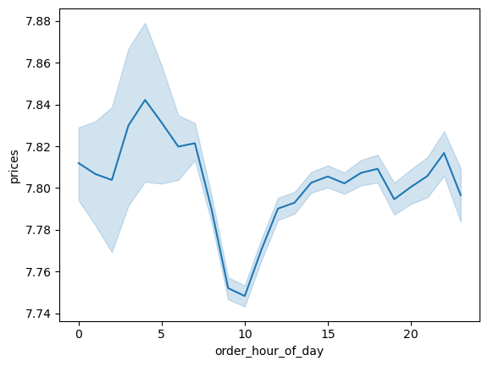

 | Acoording to the graph, customers have higher expenditure during the night. However, there is a wide error band around that time. Further analysis would be needed

Question 3 Marketing and sales want to use simpler price range groupings to help direct their efforts.

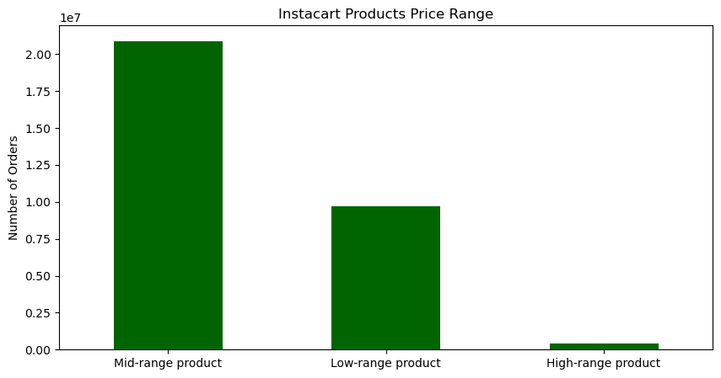
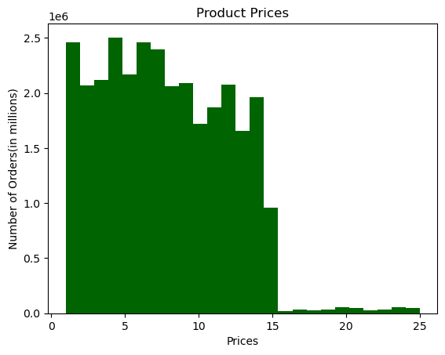
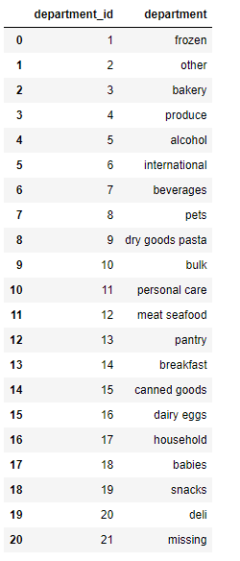
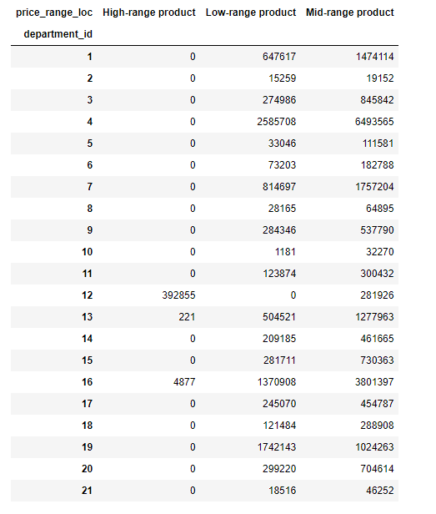

 | Most of Instacart products are Low- or Mid-range.
 | Prices of the products are mostly below $15
 | Meat, Seafood, Pantry and Dairy/eggs are the only products considered high-range.

Question 4 Are there certain types of products that are more popular than others?

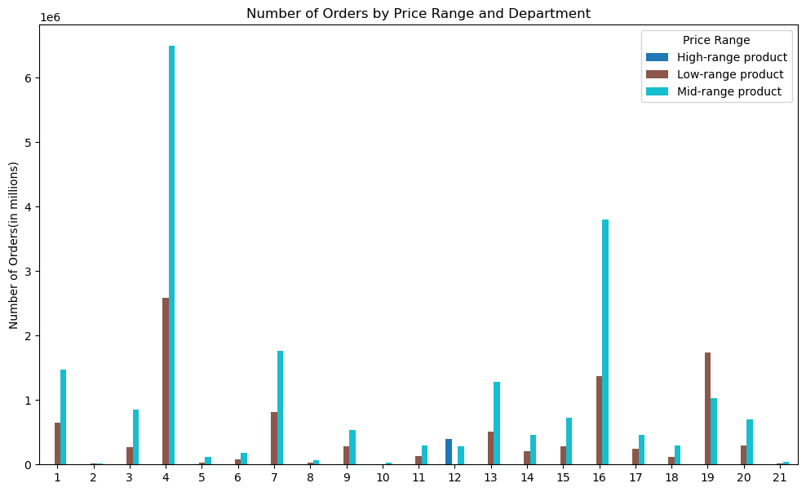

 | Based on the bar chart above, the most popular product categories are Produce and Dairy/eggs,
 | Produce is most popular in both Low- and Mid-range, while Meat and Seafood are most popular in High-range products.

Question 5 What’s the distribution among users in regards to their brand loyalty (i.e., how often do they return to Instacart)?

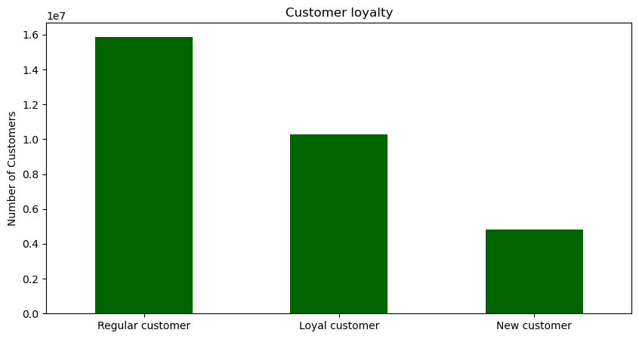
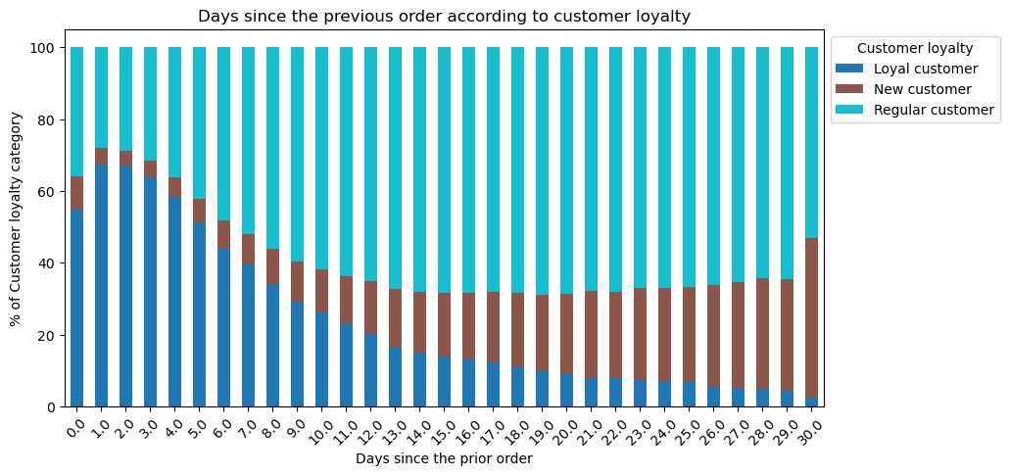

 | Most of Instacart customers can be considered regular customers.
 | As visible on the stacked bar chart on the right, Loyal customers order mostly within 4 days from their last prior order.
 | Regular customers mostly order anywhere between 7 to 29 days from last previous order.

Question 6 Are there differences in ordering habits based on a customer’s loyalty status?

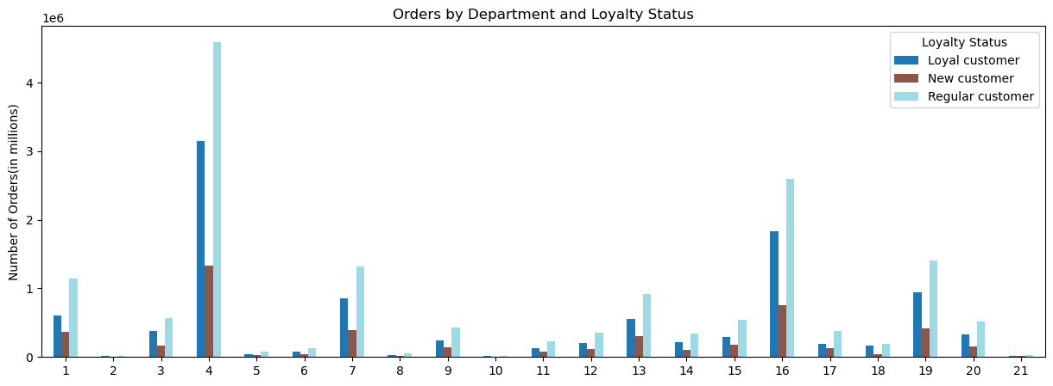

 | There is no significant difference in ordering habits between customers of different loyalty status.
 | As visible on the stacked bar chart on the right, Loyal customers order mostly within 4 days from their last prior order.
 | Regular customers mostly order anywhere between 7 to 29 days from last previous order.

Question 7 Are there differences in ordering habits based on a customer’s region?

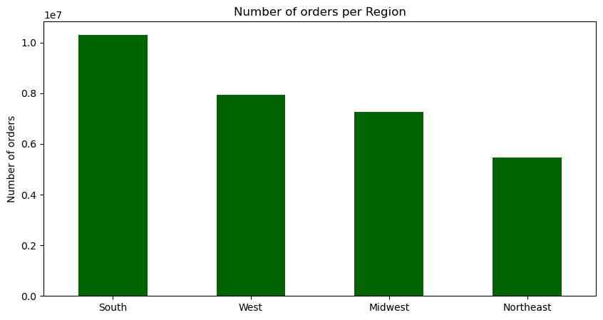
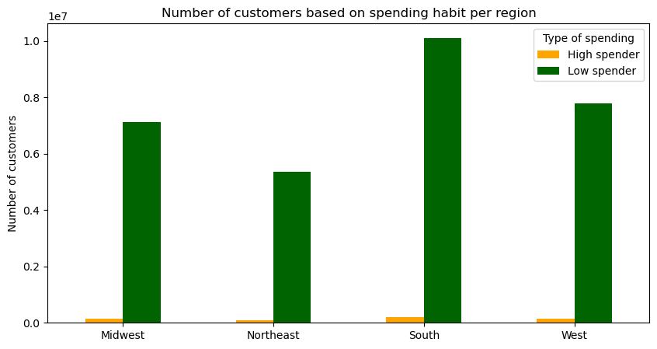
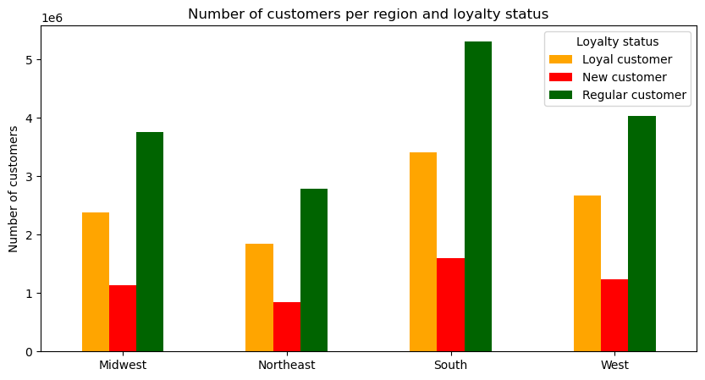

 | Most Instacart customers are from the southern region.
 | Customers in all regions are Low-spenders
 | The distribution of customers based on loyalty status is very similar in all regions.

Question 8 What different classifications does the demographic information suggest?

7. Recommendations
 |  | Title page

Recommendations

In this tab you should include any recommendations you would made to Instcart in terms of their marketing strategy based on the questions posed in the brief. Every key question has been covered in the Tasks of the Exercises - here you need to add an item - a visualisation or table/crosstable that is showing the answer in the data, acompanied by a comment from you. Please, list the questions below and add the answer underneath.

Question | Answer
The sales team needs to know what the busiest days of the week and hours of the day are (i.e., the days and times with the most orders) in order to schedule ads at times when there are fewer orders. | Busiest days of the week are Saturday and Sunday. In terms of time of the day, the busiest period is between 9am to 16pm with peak period around 10am to 11am. The best time to run ads would be weekdays between 7pm to 7am.
Are there are particular times of the day when people spend the most money? | The peak ordering time is between 10am to 11am. The expenditure per item is highest at night between 3am to 5am. Further analysis would be needed to see what items are driving the high expenditure.
Instacart has a lot of products with different price tags. Marketing and sales want to use simpler price range groupings to help direct their efforts. | Products have been divided into 3 groups: Low-, Mid- and High-range Instacart could invest into expanding the sortiment in High-range product category as there are currenly only 3 product categories.
Are there certain types of products that are more popular than others? The marketing and sales teams want to know which departments have the highest frequency of product orders. | The most popular product categories are Produce and Dairy/eggs.
What’s the distribution among users in regards to their brand loyalty (i.e., how often do they return to Instacart)? | Most of Instacart customers are already regular customers. A reward program could be created to attract the regular customers and convert them to loyal customers.
Are there differences in ordering habits based on a customer’s loyalty status? | In terms of product category, customers buy the same products regardless of the loyalty status. Difference is in how often they make orders. As mentioned above, reward program could be used to attract regular and new customers to make orders more often.
Are there differences in ordering habits based on a customer’s region? | The region generating most orders is the South. Instacart should focus more on developing other regions, especially Northeast.
What different classifications does the demographic information suggest? | Families with children make a lot of orders. It would be worth a try to advertise family-oriented products such as household items and baby products. Also, families tend to buy in bulk, therefore Instacart could introduce promotions on bulk items.

